Hourly Statistics
Edison State College Library: Weekend Usage Statistics

Date: | Sunday, September 23, 2012
Semester: | Fall 2012
Type of Use | 10 am | 11 am | 12 pm | 1 pm | 2 pm | 3 pm | 4 pm | 5 pm
Student Computer Users | 4 | 9 | 11 | 15 | 13 | 14 | 7 | 7 | 80
Community Computer Users | 0 | 2 | 2 | 2 | 7 | 3 | 3 | 1 | 20
Research Instruction Lab | 0 | 0 | 0 | 0 | 0 | 0 | 0 | 0 | 0
Study Rooms | 9 | 9 | 15 | 21 | 19 | 17 | 12 | 13 | 115
Students Studying | 1 | 1 | 3 | 9 | 13 | 8 | 4 | 3 | 42
Community Studying | 1 | 0 | 2 | 0 | 0 | 0 | 0 | 1 | 4 | 0
Total of Patrons | 15 | 21 | 33 | 47 | 52 | 0 | 0 | 52

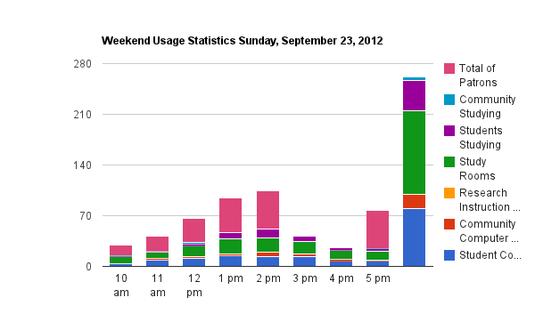

*Numbers reflect the amount of people occupying the space per hour.

